Freight_Category
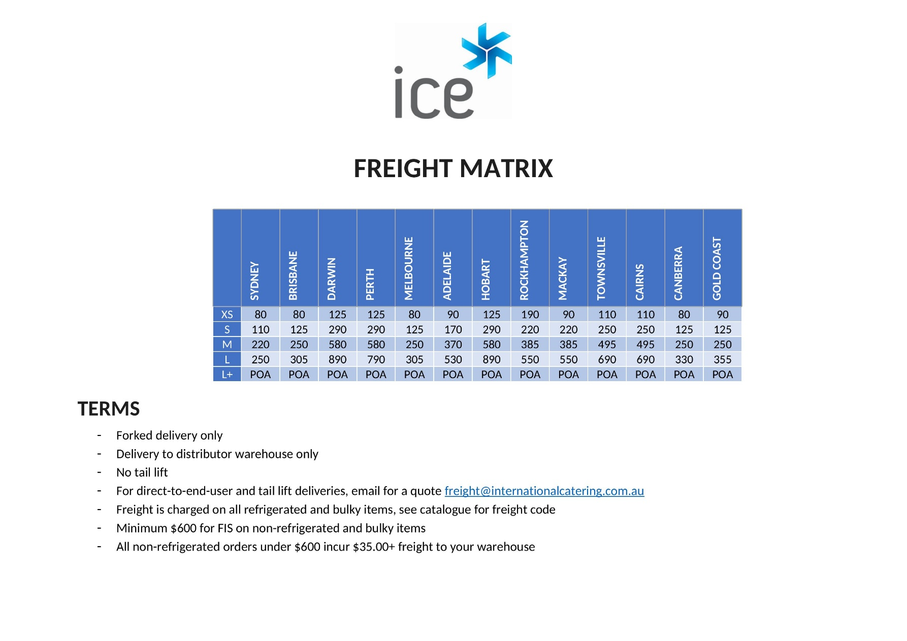
APF0800 | M
BBZ0200 | S
BBZ0300 | M
BBZ0400 | L
BCA1001 | L+
BCC0016 | M
BCE0004 | XS
BCE0005 | S
BCE0007 | M
BCE2010 | M
BCE2015 | L
BCE2020 | L
BCE9320 | L+
BCG61420 | S
BCG61885 | M
BCG62350 | L
BCG71815 | M
BCG72476 | L
BCH0016 | M
BCS61420 | S
BCS61885 | M
BCS62350 | L
BCS6955 | S
BCS71815 | M
BCS72476 | L
BDM0015A | S
BDM0030 | S
BFS61420 | S
BFS61885 | M
BFS62350 | L
BFS6955 | S
DAE0700 | M
DAE0701 | M
DAE0702 | M
DAE1500 | L
DAE1501 | L
DAE1502 | L
DDM0220 | XS
DDM0220T | S
DGHV0530 | S
DGHV0540 | S
DGHV0550 | M
DGV0530 | S
DGV0540 | S
DGV0550 | M
DSD0001 | S
DSD0002 | M
DSI0530 | S
DSI0540 | S
DSI0550 | M
DWA2000 | M
DWA2001 | M
DWA2120 | M
FBC2201 | XS
FBC2400 | S
FBC2600 | M
FBCG2202 | XS
FBCG2400 | S
FBCG2600 | M
FBF2203 | XS
FBF2400 | S
FBF2600 | M
FBFG2204 | XS
GEL2000 | L
GUC1140 | L
GUC1737 | M
GUF2140 | L
GUF2737 | M
HHD0002E | XS
HHD0003E | XS
HHS11E10 | S
HHS11N6X | XS
HHS1296BQ | M
HHS12E30H | M
HHS12N15H | M
HHS22E16X | M
HPB1152 | S
HPB1815 | M
HPB1815DD | M
HPB2476 | L
HPB2476DDD | L
IMM0003R | XS
IMM0004 | XS
JDA2001 | XS
JDA2002 | XS
JDA2003 | XS
MDS1250 | L
MDS1875 | L+
MDS2500 | L+
MFW0011 | M
MPB0020 | L
MPB0026 | L+
MPB0030 | L+
NDA0625 | M
NDA1250 | L
NDA1875 | L+
NDA2150 | L
NDA2625 | M
NDA2875 | L+
NDHV3720 | S
NDHV3730 | M
NDHV3740 | M
NDHV4720 | S
NDHV4730 | M
NDHV4730SS | M
NDHV4740 | M
NDHV4740SS | M
NDSG1200 | M
NDSJ2730 | M
NDSJ2740 | M
NDSJ2750 | L
NDSJ2760 | L
NDSV3720 | S
NDSV3730 | M
NDSV3740 | M
NDSV3750 | L
NDSV3760 | L
NDSV4720 | S
NDSV4730 | M
NDSV4730SS | M
NDSV4740 | M
NDSV4740SS | M
NDSV4750 | L
NDSV4760 | L
PMA1040 | XS
PMA3060 | S
PMB0080 | XS
PMB1080 | XS
PMB1096 | XS
PSM0570 | XS
PSM6120 | S
RPE1790 | L
RPE2790 | L
RPE5790S | L
RPE6600 | L
SDS1320 | S
SDS1680 | S
SMF0025 | XS
SMF0035 | XS
SMF0080 | S
SMM1060 | XS
SMM1080 | M
SMM1130 | M
SMM9960 | XS
UBD2000 | S
UBD4000 | M
UBD6000 | L
UBI6134 | S
UBI6179 | M
UBI6224 | L
UBI7134 | S
UBI7134G | S
UBI7179 | M
UBI71790LB | M
UBI7179G | M
UBI7224 | L
UBI72240LB | L
UBI7224G | L
UFI1140 | L
UFI1140G | L
UFI1140SL | L
UFI1170 | M
UFI1170G | M
UFI1170SL | M
UFI2140 | L
UFI2140G | L
UFI2140SL | L
UFI2170 | M
UFI2170G | M
UFI2170SL | M
VMO0061 | XS
VRX1200 | S
VRX1200S | S
VRX1500 | S
VRX1500S | S
VRX1800 | S
VRX1800S | S
VRX2000 | S
VRX2000S | S

